Sheet1
Github/Gitlab/Bitbucket is the cetral repository where all codes are stored. and any developers can view
4. Nexus is where every version of codes written are stored after the codes are scanned and analysed.
Customers can view the output of deployments using public IPs

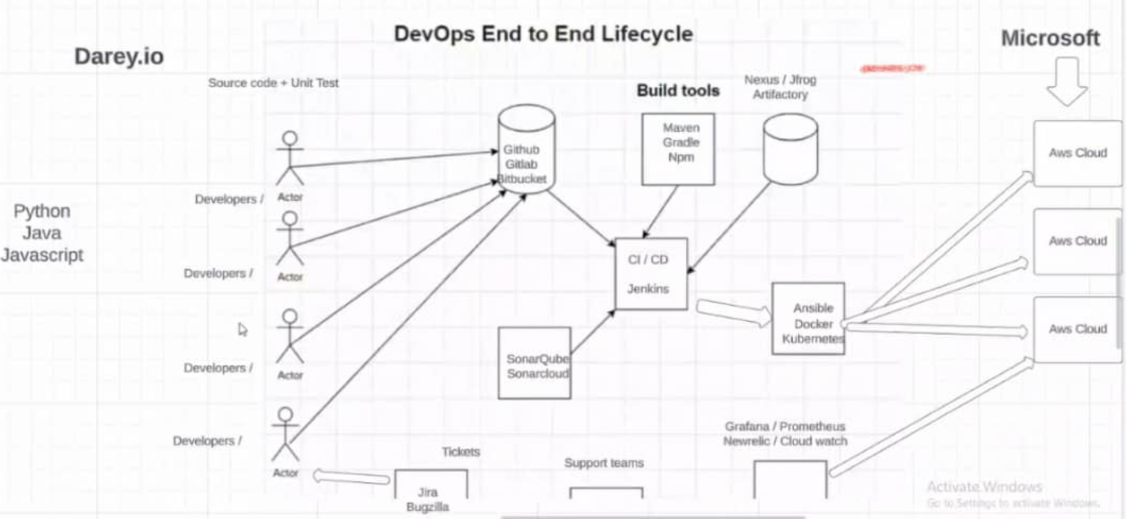

PROGRAMMERS/
DEVELOPERS

2. Jenkins server will pull codes from Githubs.
5. Ansible , dockers and Kubenetes is used for deploying the executable codes on various cloud servers/platform
1. All developers Push codes

3. Sonarqube or sonarcloud analyse the code quality in Jenkins. it searches sub standards/defects in codes from developers.
For continuos monitoring of cloud servers. Done by Cloud support engineers.
For raising tickets for incidents

